PUMA 2017
PHOTO | PHOTO | MODEL | VAR | DESCRIPTION | COLOUR EUR | 35 | 36 | 37 | 37,5 | 38 | 38,5 | 39 | 40 | TOT | RRP | OFFER PRICE
 |  |  |  |  | UK | 3 | 3,5 | 4 | 4,5 | 5 | 5,5 | 6 | 6,5
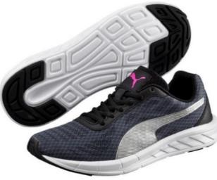 |  | 189059 | 01 | Meteor | Asphalt-Silver-Black |  | 9 | 13 | 4 | 13 | 4 | 9 | 4 | 56 | 50.00 € | 24.50 €
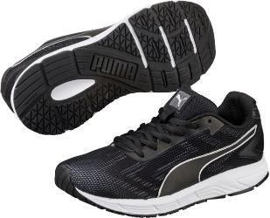 | 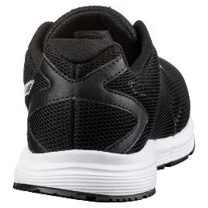 | 189516 | 02 | Engine | Puma Black-Puma White |  |  | 4 | 7 | 4 | 1 | 1 |  | 17 | 50.00 € | 24.50 €
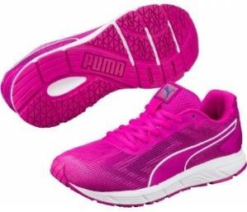 | 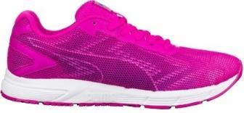 | 189516 | 04 | Engine | ULTRA MAGENTA-Puma White |  | 2 | 4 | 4 | 7 | 2 | 5 | 2 | 26 | 50.00 € | 24.50 €
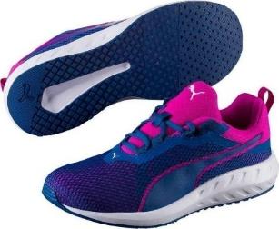 | 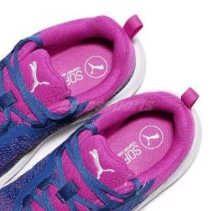 | 189519 | 01 | Flare 2 | ULTRA MAGENTA-TRUE BLUE |  | 2 | 3 | 1 | 3 | 1 | 2 | 1 | 13 | 75.00 € | 36.75 €
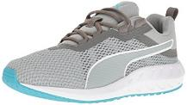 | 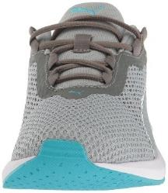 | 189519 | 02 | Flare 2 | QUIET SHADE-Quarry-BA |  | 2 | 3 | 1 | 3 | 1 | 2 | 1 | 13 | 75.00 € | 36.75 €
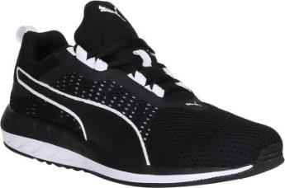 | 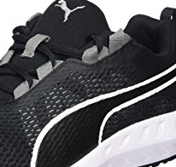 | 189519 | 03 | Flare 2 | Puma Black-Puma White |  |  | 6 | 2 | 6 | 2 | 4 | 2 | 22 | 75.00 € | 36.75 €
 |  | 189593 | 02 | Pacer Evo | BLUE DANUBE-BLUE DANUBE |  | 5 | 7 | 3 | 7 | 3 | 7 |  | 32 | 45.00 € | 23.25 €
 |  | 189823 | 02 | Carson Runner 400 Mesh | BLUE DANUBE-Puma White |  | 2 | 4 |  | 4 |  | 4 |  | 14 | 50.00 € | 24.50 €
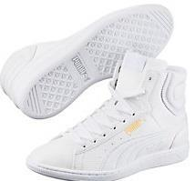 | 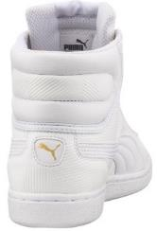 | 363612 | 01 | Vikky Mid Deboss | Puma White-Puma White |  | 2 | 3 | 1 | 3 | 1 | 2 | 1 | 13 | 70.00 € | 34.50 €
 |  | 360873 | 01 | ST Trainer Evo | black-white |  | 5 |  | 6 |  | 6 |  |  | 17 | 46.00 € | 22.70 €
 |  | 357232 | 08 | Whirlwind Mesh | peacoat-white |  | 5 | 7 | 3 | 7 | 3 | 7 |  | 32 | 48.00 € | 23.60 €
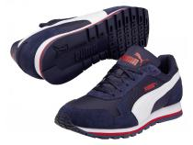 | 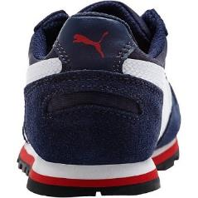 | 358770 | 03 | ST Runner NL | peacoat-white-high risk red |  | 4 | 7 | 3 | 7 | 2 | 5 |  | 28 | 50.00 € | 24.50 €
 | 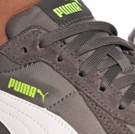 | 358770 | 14 | ST Runner NL | Steel Gray-Puma White |  | 4 | 7 | 3 | 7 | 2 | 7 |  | 30 | 50.00 € | 24.50 €
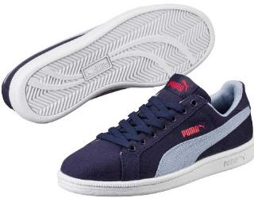 | 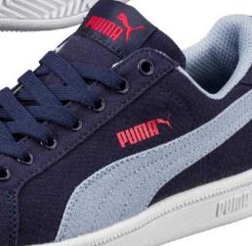 | 360160 | 05 | Smash FUN CV | Peacoat-Blue Fog |  | 3 | 4 | 3 | 3 | 3 | 3 |  | 19 | 46.00 € | 22.70 €
 |  |  |  |  |  | 0 | 45 | 72 | 41 | 74 | 31 | 58 | 11 | 332

